Tool 01
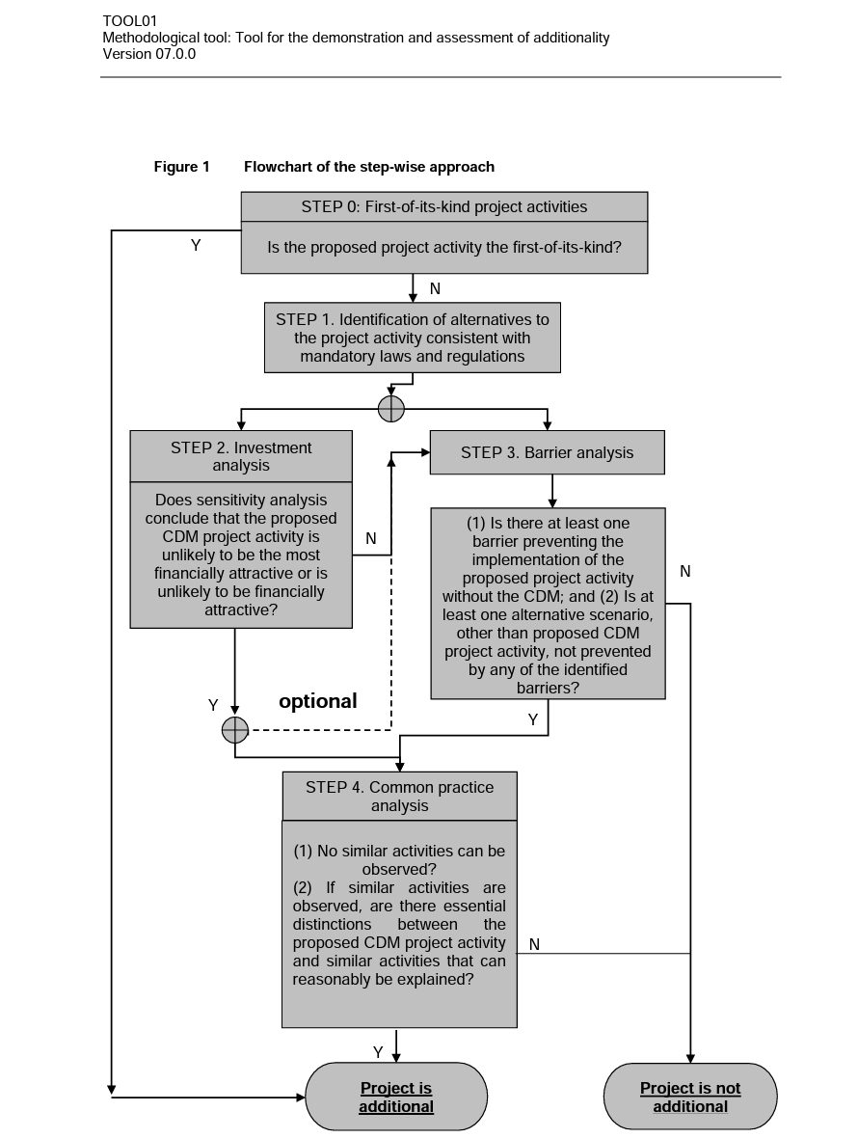
Required Field | Selective Disclosure | Multiple Answers | Schema Type | Parameter | Question | Answer | Notes
TOOL 01: For the demonstration and assessment of additionality
Yes |  | no | if/then | Step 0 : First-of-its-kind project activities | Is the proposed project activity the first-of-its-kind? | No | If Yes: Project is Additional If No: Move to Step 1
Yes |  | yes | string |  | Provide explanation to justify answer. | (Explanation/proof) | Follow up to previous question.
Yes |  | no | if/then | Step 1: Identification of alternatives | (1) Have realistic and credible alternative scenario(s) to the project activity been identified? (2) Are the alternative scenario(s) in compliance with mandatory legislation and regulations (taking into account the enforcement in the region or country and EB decisions on national and/or sectoral policies and regulations)? | Yes, Yes | If both Yes: then proceed to Step 2 (Investment analysis) or Step 3 (Barrier analysis) If any No: Project is not additional.
Yes |  | yes | string |  | Provide explanation to justify answer. | (Explanation/proof) | Follow up to previous question.
Yes |  | no | if/then | Step 2: Investment analysis | Step 2: Investment analysis | Yes | If Yes: then proceed to Step 4 or to Step 3 if project participent wants to complete both (Optional to complete both Step 2 and 3) If No: Move to Step 3.
Yes |  | yes | string |  | Provide explanation to justify answer. | (Explanation/proof) | Follow up to previous question.
Yes |  | no | if/then | Step 3: Barrier analysis | (1) Is there at least one barrier preventing the implementation of the proposed project activity without the CDM; (2) Is at least one alternative scenario, other than proposed CDM project activity, not prevented by any of the identified barriers? | Yes, Yes | If both Yes: then proceed to Step 4 If any No: Project is not additional.
Yes |  | yes | string |  | Provide explanation to justify answer. | (Explanation/proof) | Follow up to previous question.
Yes |  | no | if/then | Step 4: Common practice analysis | (1) No similar activities can be observed? (2) If similar activities are observed, are there essential distinctions between the proposed CDM project activity and similar activities that can reasonably be explained? | Yes | If both Yes: Project is additional. If any No: Project is not additional.
Yes |  | yes | string |  | Provide explanation to justify answer. | (Explanation/proof) | Follow up to previous question.
Flowchart of Tool 1

Tool 07
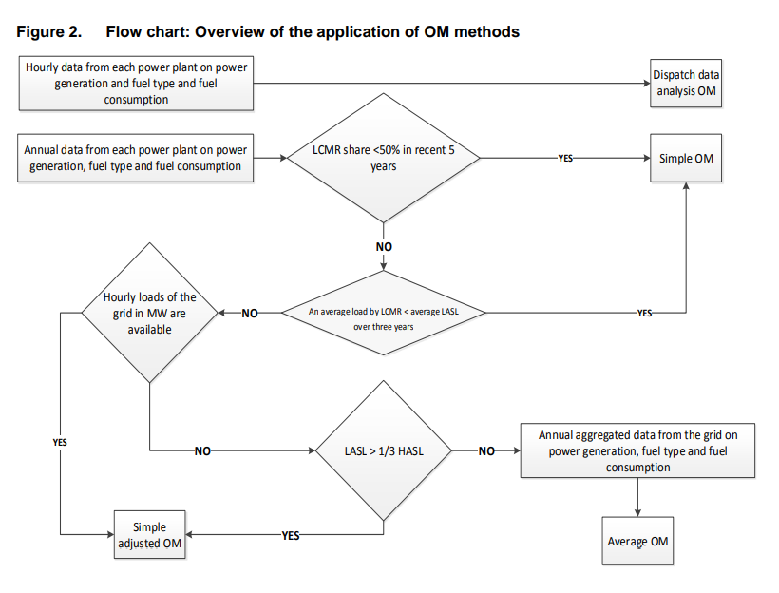
Required Field | Selective Disclosure | Allow Multiple Answers | Schema Type | Parameter | Question | Answer | Notes | Comments
Identify the relevant electricity systems
Yes |  | No | String | N/A | Please provide information about electricity systems. For more information refer to section 6.1 in Methodological Tool 07. |  |  | The comments on TOOL07 appraoch that was or will be shared by Panna are applicable here
Select a method to determine the operating margin (OM)
Yes |  | No | If/Then |  | Does you have hourly or annual data from each power plant on power generation and fuel type and fuel consumption? | Annual | If Hourly OM is Dispatch Data Analysis OM, if Annual follow up with next question
Yes |  | No | If/Then |  | Is LCMR share less than 50% in recent 5 years? | No | If Yes OM is Simple OM, If No follow up with next question
Yes |  | No | If/Then |  | Is the average load by LCMR less than the average LASL over three years? | No | If yes OM is Simple OM, If No follow up with next question
Yes |  | No | If/Then |  | Are hourly loads of the grid in MW available? | No | If Yes OM is Simple Adjusted OM, If No follow up with next question
Yes |  | No | If/Then |  | Is the LASL more than one third of the HASL? | No | If Yes OM is Simple Adjusted OM, If No follow up with next question
Yes |  | No | If/Then |  | Do you have annual aggregated data from the grid on power generation, fuel type and fuel consumption? | Yes | If Yes OM is Average OM, If No give message "Please check responses to properly determine the operating margin."
Flowchart for Step 3

Tool 19 Logic Maps
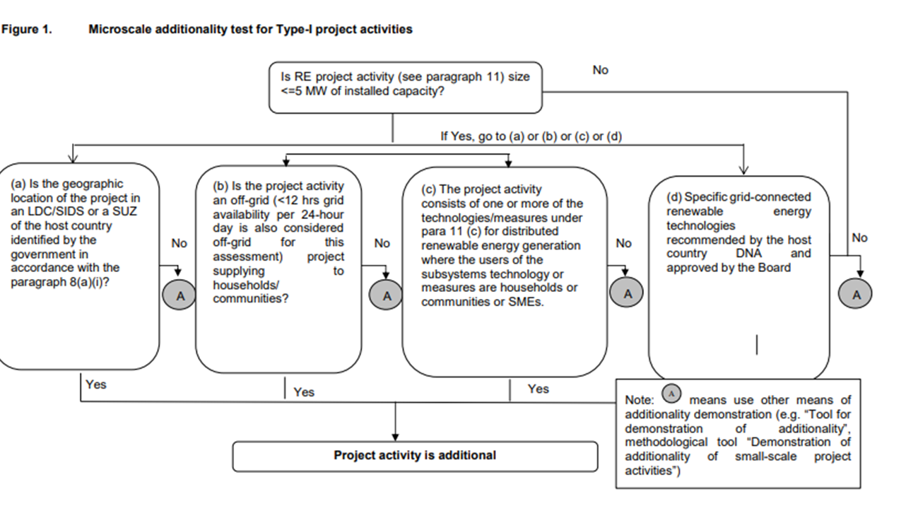
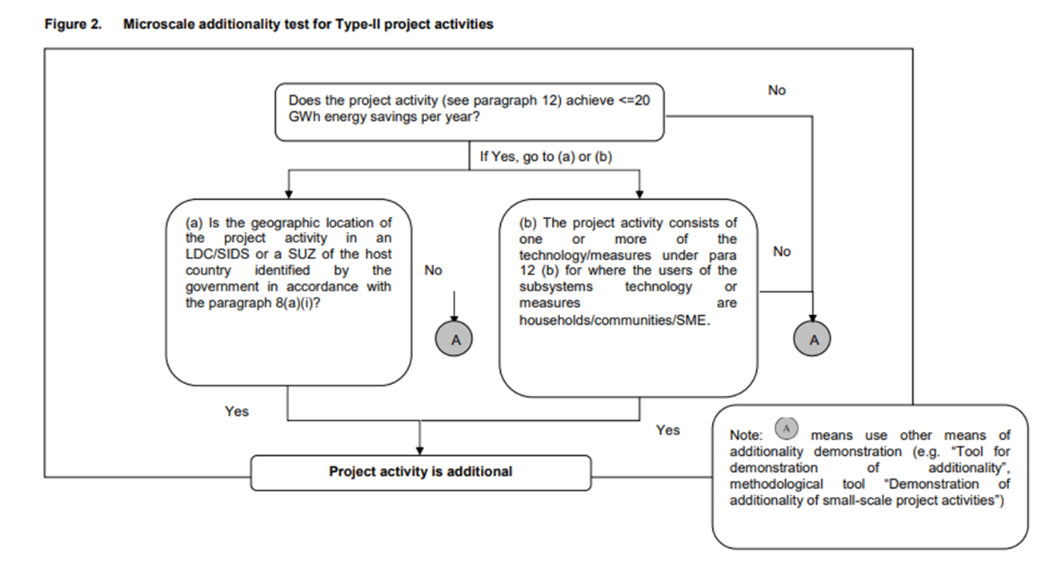
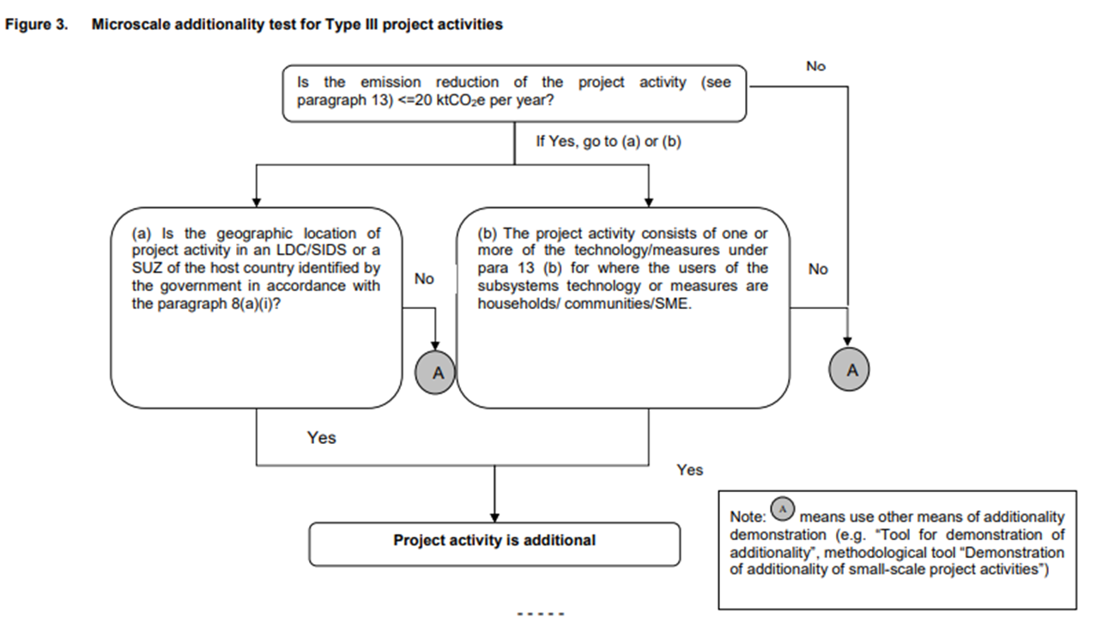

Tool 22 Reference Tables
